Cordon Map
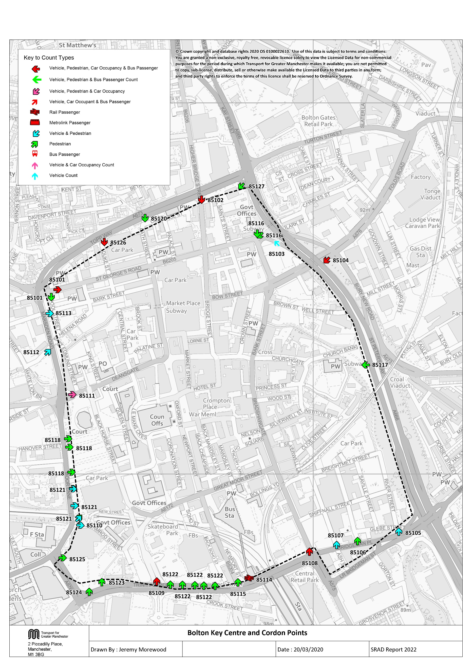

Tab 14 KC Traffic Trend
Bolton Key Centre Traffic Trend
Table 14 shows the number of vehicles, by type, entering Bolton Key Centre

Table 14 Bolton Key Centre Cordon Counts 1997, 1998, 2001, 2004, 2007 and 2009 - 2019
Time Period | Year | Cars | LGV | OGV | Buses | M/C | P/C | All
07:30-09:30 | 1997 | 7627 | 727 | 289 | 514 | 43 | 74 | 9274
 | 1998 | 7741 | 689 | 233 | 508 | 39 | 73 | 9283
 | 1999
 | 2000
 | 2001 | 7907 | 802 | 160 | 485 | 37 | 63 | 9454
 | 2002
 | 2003
 | 2004 | 7343 | 675 | 130 | 407 | 39 | 58 | 8652
 | 2005
 | 2006
 | 2007 | 7444 | 697 | 143 | 416 | 38 | 77 | 8815
 | 2008
 | 2009 | 6509 | 613 | 101 | 389 | 25 | 76 | 7713
 | 2010 | 6530 | 532 | 111 | 343 | 36 | 76 | 7628
 | 2011 | 5978 | 656 | 123 | 307 | 34 | 64 | 7162
 | 2012 | 6032 | 490 | 109 | 335 | 37 | 104 | 7107
 | 2013 | 6476 | 603 | 111 | 337 | 31 | 76 | 7634
 | 2014 | 5931 | 494 | 89 | 333 | 40 | 82 | 6969
 | 2015 | 6474 | 527 | 96 | 303 | 29 | 92 | 7521
 | 2016 | 6286 | 660 | 135 | 263 | 31 | 85 | 7460
 | 2017 | 6469 | 527 | 166 | 308 | 35 | 87 | 7592
 | 2018 | 6557 | 555 | 137 | 236 | 20 | 85 | 7590
 | 2019 | 6682 | 537 | 129 | 262 | 16 | 86 | 7712
 | 2019/1997 | 0.88 | 0.74 | 0.45 | 0.51 | 0.37 | 1.16 | 0.83
10:00-12:00 | 1997 | 6499 | 622 | 265 | 549 | 27 | 19 | 7981
 | 1998 | 6232 | 658 | 274 | 492 | 17 | 15 | 7688
 | 1999
 | 2000
 | 2001 | 6320 | 774 | 195 | 445 | 19 | 21 | 7774
 | 2002
 | 2003
 | 2004 | 5903 | 622 | 138 | 412 | 31 | 32 | 7138
 | 2005
 | 2006
 | 2007 | 5461 | 647 | 167 | 452 | 24 | 22 | 6773
 | 2008
 | 2009 | 4988 | 573 | 143 | 375 | 50 | 33 | 6162
 | 2010 | 4943 | 523 | 111 | 337 | 19 | 45 | 5978
 | 2011 | 4854 | 628 | 123 | 305 | 23 | 38 | 5971
 | 2012 | 4601 | 464 | 97 | 358 | 33 | 59 | 5612
 | 2013 | 5153 | 559 | 118 | 354 | 19 | 35 | 6238
 | 2014 | 4552 | 497 | 76 | 330 | 26 | 53 | 5534
 | 2015 | 4803 | 507 | 109 | 298 | 23 | 44 | 5784
 | 2016 | 4812 | 560 | 121 | 275 | 17 | 33 | 5818
 | 2017 | 5006 | 478 | 137 | 285 | 15 | 31 | 5952
 | 2018 | 5294 | 514 | 141 | 239 | 11 | 32 | 6231
 | 2019 | 5406 | 525 | 126 | 266 | 21 | 36 | 6380
 | 2019/1997 | 0.83 | 0.84 | 0.48 | 0.48 | 0.78 | 1.89 | 0.80
16:00-18:00 | 1997 | 6526 | 504 | 141 | 549 | 34 | 49 | 7803
 | 1998 | 5998 | 564 | 136 | 484 | 28 | 38 | 7248
 | 1999
 | 2000
 | 2001 | 6524 | 641 | 79 | 443 | 31 | 43 | 7761
 | 2002
 | 2003
 | 2004 | 4953 | 501 | 63 | 411 | 28 | 60 | 6016
 | 2005
 | 2006
 | 2007 | 5803 | 532 | 53 | 424 | 40 | 67 | 6919
 | 2008
 | 2009 | 4586 | 370 | 54 | 387 | 46 | 64 | 5507
 | 2010 | 4825 | 437 | 47 | 328 | 45 | 69 | 5751
 | 2011 | 4306 | 402 | 35 | 290 | 37 | 65 | 5135
 | 2012 | 4572 | 390 | 41 | 341 | 45 | 143 | 5532
 | 2013 | 4901 | 450 | 51 | 346 | 37 | 90 | 5875
 | 2014 | 4767 | 444 | 20 | 335 | 26 | 112 | 5704
 | 2015 | 4754 | 415 | 33 | 283 | 34 | 116 | 5635
 | 2016 | 4973 | 435 | 44 | 265 | 27 | 93 | 5837
 | 2017 | 4977 | 383 | 54 | 278 | 34 | 89 | 5815
 | 2018 | 5200 | 428 | 48 | 219 | 45 | 100 | 6040
 | 2019 | 5121 | 468 | 41 | 232 | 28 | 98 | 5988
 | 2019/1997 | 0.78 | 0.93 | 0.29 | 0.42 | 0.82 | 2.00 | 0.77
Bolton Key Centre Inbound Vehicle Counts
 | 0730-0930 | 1000-1200 | 1600-1800
1997 | 9274 | 7981 | 7803
1998 | 9283 | 7688 | 7248
1999
2000
2001 | 9454 | 7774 | 7761
2002
2003
2004 | 8652 | 7138 | 6016
2005
2006
2007 | 8815 | 6773 | 6919
2008
2009 | 7713 | 6162 | 5507
2010 | 7628 | 5978 | 5751
2011 | 7162 | 5971 | 5135
2012 | 7107 | 5612 | 5532
2013 | 7634 | 6238 | 5875
2014 | 6969 | 5534 | 5704
2015 | 7521 | 5784 | 5635
2016 | 7460 | 5818 | 5837
2017 | 7592 | 5952 | 5815
2018 | 7590 | 6231 | 6040
2019 | 7712 | 6380 | 5988

Table 19 KC Car & Non-car Trips
Table 19 shows the number of trips into the Key Centre Cordon, calculated from vehicle numbers and occupancy levels.

Car and Non-Car Trips into Bolton Key Centre 07:30-09:30
 | Car | Bus | Walk | Rail | Cycle
2001 | 10365 | 5140 | 2220 | 429 | 63
2002
2003
2004 | 9326 | 3975 | 2486 | 429 | 58
2005
2006
2007 | 9603 | 4724 | 2355.1066605 | 822 | 77
2008
2009 | 8462 | 4460 | 2464 | 709 | 76
2010 | 8750 | 4360 | 2167 | 680 | 76
2011 | 7891 | 4022 | 2368 | 739 | 64
2012 | 8023 | 3195 | 2456 | 921 | 104
2013 | 8484 | 2903 | 2451 | 911 | 76
2014 | 7829 | 3467 | 2563 | 698 | 82
2015 | 8400 | 3693 | 2611 | 877 | 92
2016 | 8512 | 2753 | 2312 | 675 | 85
2017 | 8614 | 3030 | 2662 | 697 | 87
2018 | 8708 | 3311 | 2543 | 631 | 85
2019 | 8688 | 3440 | 2251 | 583 | 86
Table 19 Car and Non-Car Trips into Bolton Key Centre
Time Period | Year | Car | Bus | Rail | Cycle | Walk | Total | % Car | % Non-Car
07:30-09:30 | 2001 | 10365 | 5140 | 429 | 63 | 2220 | 18217 | 57 | 43
 | 2002
 | 2003
 | 2004 | 9326 | 3975 | 429 | 58 | 2486 | 16274 | 57 | 43
 | 2005
 | 2006
 | 2007 | 9603 | 4724 | 822 | 77 | 2355 | 17581 | 55 | 45
 | 2008
 | 2009 | 8462 | 4460 | 709 | 76 | 2464 | 16170 | 52 | 48
 | 2010 | 8750 | 4360 | 680 | 76 | 2167 | 16033 | 55 | 45
 | 2011 | 7891 | 4022 | 739 | 64 | 2368 | 15084 | 52 | 48
 | 2012 | 8023 | 3195 | 921 | 104 | 2456 | 14698 | 55 | 45
 | 2013 | 8484 | 2903 | 911 | 76 | 2451 | 14824 | 57 | 43
 | 2014 | 7829 | 3467 | 698 | 82 | 2563 | 14639 | 53 | 47
 | 2015 | 8400 | 3693 | 877 | 92 | 2611 | 15673 | 54 | 46
 | 2016 | 8512 | 2753 | 675 | 85 | 2312 | 14337 | 59 | 41
 | 2017 | 8614 | 3030 | 697 | 87 | 2662 | 15090 | 57 | 43
 | 2018 | 8708 | 3311 | 631 | 85 | 2543 | 15278 | 57 | 43
 | 2019 | 8688 | 3440 | 583 | 86 | 2251 | 15048 | 58 | 42
Car and Non-Car Trips into Bolton Key Centre 10:00-12:00
 | Car | Bus | Walk | Rail | Cycle
2001 | 9210 | 3790 | 2191 | 394 | 23
2002
2003
2004 | 8914 | 3054 | 2911 | 396 | 32
2005
2006
2007 | 7755 | 4722 | 2581.101855 | 610 | 22
2008
2009 | 7233 | 4949 | 2635 | 636 | 33
2010 | 7810 | 5758 | 2499 | 497 | 45
2011 | 7378 | 4615 | 2911 | 613 | 38
2012 | 6902 | 4587 | 3005 | 747 | 59
2013 | 7626 | 3633 | 2990 | 564 | 35
2014 | 7056 | 3611 | 3666 | 512 | 53
2015 | 7209 | 4306 | 3501 | 532 | 44
2016 | 7303 | 3110 | 2760 | 404 | 33
2017 | 7760 | 3016 | 3112 | 454 | 31
2018 | 7990 | 3295 | 3566 | 385 | 32
2019 | 8205 | 3520 | 2923 | 378 | 36
 | 2019/2001 | 0.84 | 0.67 | 1.36 | 1.37 | 1.01 | 0.83 | 1.01 | 0.98
10:00-12:00 | 2001 | 9210 | 3790 | 394 | 23 | 2191 | 15608 | 59 | 41
 | 2002
 | 2003
 | 2004 | 8914 | 3054 | 396 | 32 | 2911 | 15307 | 58 | 42
 | 2005
 | 2006
 | 2007 | 7755 | 4722 | 610 | 22 | 2581 | 15690 | 49 | 51
 | 2008
 | 2009 | 7233 | 4949 | 636 | 33 | 2635 | 15485 | 47 | 53
 | 2010 | 7810 | 5758 | 497 | 45 | 2499 | 16609 | 47 | 53
 | 2011 | 7378 | 4615 | 613 | 38 | 2911 | 15555 | 47 | 53
 | 2012 | 6902 | 4587 | 747 | 59 | 3005 | 15300 | 45 | 55
 | 2013 | 7626 | 3633 | 564 | 35 | 2990 | 14848 | 51 | 49
 | 2014 | 7056 | 3611 | 512 | 53 | 3666 | 14898 | 47 | 53
 | 2015 | 7209 | 4306 | 532 | 44 | 3501 | 15591 | 46 | 54
 | 2016 | 7303 | 3110 | 404 | 33 | 2760 | 13610 | 54 | 46
 | 2017 | 7760 | 3016 | 454 | 31 | 3112 | 14372 | 54 | 46
 | 2018 | 7990 | 3295 | 385 | 32 | 3566 | 15267 | 52 | 48
 | 2019 | 8205 | 3520 | 378 | 36 | 2923 | 15062 | 54 | 46
Car and Non-Car Trips into Bolton Key Centre 16:00-18:00
 | Car | Bus | Walk | Rail | Cycle
2001 | 8901 | 2033 | 1281 | 1086 | 45
2002
2003
2004 | 6874 | 1534 | 1913 | 882 | 60
2005
2006
2007 | 8182 | 2125 | 1807.2682357 | 1063 | 67
2008
2009 | 6375 | 2754 | 2050 | 1203 | 64
2010 | 7141 | 3025 | 1497 | 1236 | 69
2011 | 6158 | 2545 | 2188 | 1334 | 65
2012 | 6629 | 2207 | 2440 | 1346 | 143
2013 | 7155 | 2302 | 2137 | 1248 | 90
2014 | 7007 | 2292 | 2810 | 1239 | 112
2015 | 7139 | 2455 | 3262 | 1336 | 117
2016 | 7451 | 1829 | 2729 | 1151 | 93
2017 | 7342 | 2051 | 2956 | 1155 | 89
2018 | 7453 | 2090 | 2829 | 1288 | 100
2019 | 7170 | 2143 | 2576 | 1082 | 98
 | 2019/2001 | 0.89 | 0.93 | 0.96 | 1.57 | 1.33 | 0.97 | 0.92 | 1.11
16:00-18:00 | 2001 | 8901 | 2033 | 1086 | 45 | 1281 | 13346 | 67 | 33
 | 2002
 | 2003
 | 2004 | 6874 | 1534 | 882 | 60 | 1913 | 11263 | 61 | 39
 | 2005
 | 2006
 | 2007 | 8182 | 2125 | 1063 | 67 | 1807 | 13244 | 62 | 38
 | 2008
 | 2009 | 6375 | 2754 | 1203 | 64 | 2050 | 12445 | 51 | 49
 | 2010 | 7141 | 3025 | 1236 | 69 | 1497 | 12968 | 55 | 45
 | 2011 | 6158 | 2545 | 1334 | 65 | 2188 | 12289 | 50 | 50
 | 2012 | 6629 | 2207 | 1346 | 143 | 2440 | 12766 | 52 | 48
 | 2013 | 7155 | 2302 | 1248 | 90 | 2137 | 12932 | 55 | 45
 | 2014 | 7007 | 2292 | 1239 | 112 | 2810 | 13460 | 52 | 48
 | 2015 | 7139 | 2455 | 1336 | 117 | 3262 | 14309 | 50 | 50
 | 2016 | 7451 | 1829 | 1151 | 93 | 2729 | 13253 | 56 | 44
 | 2017 | 7342 | 2051 | 1155 | 89 | 2956 | 13593 | 54 | 46
 | 2018 | 7453 | 2090 | 1288 | 100 | 2829 | 13760 | 54 | 46
 | 2019 | 7170 | 2143 | 1082 | 98 | 2576 | 13070 | 55 | 45
 | 2019/2001 | 0.81 | 1.05 | 1.00 | 2.20 | 2.01 | 0.98 | 0.82 | 1.36

